CARB
Color Key:
Input data from CARB
Calculation

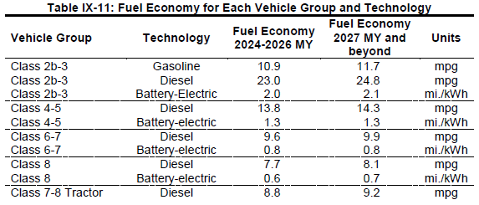

 |  |  |  |  |  |  |  |  |  |  |  |  |  |  | Diesel fuel economy (mpg) |  |  | Diesel fuel economy (mi/BTU)
 |  |  |  |  |  |  |  |  |  |  |  |  |  |  | Passenger van* | Delivery van* | Regional tractor* | Passenger van | Delivery van | Regional tractor | Weighted LDV freight**
 |  |  |  |  |  |  |  |  |  |  |  |  |  | 2018-2020 | 23.22 | 7.41 | 5.87 | 1.81E-04 | 5.79E-05 | 4.59E-05 | 1.52E-04
 |  |  |  |  |  |  |  |  |  |  |  |  |  | 2021 | 23.8 | 8.42 | 6.66 | 1.86E-04 | 6.58E-05 | 5.20E-05 | 1.58E-04
 |  |  |  |  |  |  |  |  |  |  |  |  |  | 2022 | 24.44 | 8.42 | 6.66 | 1.91E-04 | 6.58E-05 | 5.20E-05 | 1.61E-04
 |  |  |  |  |  |  |  |  |  |  |  |  |  | 2023 | 25.01 | 8.42 | 6.66 | 1.95E-04 | 6.58E-05 | 5.20E-05 | 1.65E-04
 |  |  |  |  |  |  |  |  |  |  |  |  |  | 2024 | 25.7 | 9.28 | 7.03 | 2.01E-04 | 7.25E-05 | 5.49E-05 | 1.70E-04
 |  |  |  |  |  |  |  |  |  |  |  |  |  | 2025 | 26.33 | 9.28 | 7.03 | 2.06E-04 | 7.25E-05 | 5.49E-05 | 1.74E-04
 |  |  |  |  |  |  |  |  |  |  |  |  |  | 2026 | 27.02 | 9.28 | 7.03 | 2.11E-04 | 7.25E-05 | 5.49E-05 | 1.78E-04
 |  |  |  |  |  |  | Model Year | Class 2b-3 | Class 4-5 | Class 6-7 | Class 8 | Class 7-8 Tractor |  | 2027+ | 27.72 | 9.73 | 7.30 | 2.17E-04 | 7.60E-05 | 5.70E-05 | 1.83E-04
 |  |  |  |  |  |  | 2024 | 53761 | 6436 | 7556 | 1119 | 4686 |  | * Passenger van = Class 2b-3, Delivery van = Class 4-8, Regional tractor = Class 7-8 tractor
 |  |  |  |  |  |  |  |  |  |  |  |  |  | **Assuming that sales shares are similar across years, 2024 sales shares are used to calculate the weighted efficiencies.
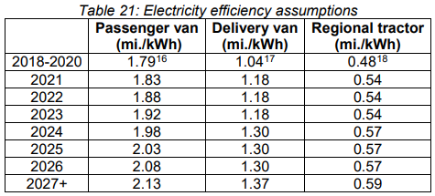
Vehicle Group | Technology | Fuel Economy 2024-2026 MY | Fuel Economy 2027 MY and beyond | Units |  |  | 2025 | 54217 | 6531 | 7667 | 1137 | 4769
Class 2b-3 | Gasoline | 10.9 | 11.7 | mpg |  |  | 2026 | 54753 | 6649 | 7806 | 1177 | 4918
Class 2b-3 | Diesel | 23 | 24.8 | mpg |  |  | 2027 | 55152 | 6786 | 7966 | 1194 | 4993
Class 2b-3 | Battery-Electric | 2 | 2.1 | mi/kWh |  |  | 2028 | 55765 | 6904 | 8105 | 1216 | 5075
Class 4-5 | Diesel | 13.8 | 14.3 | mpg |  |  | 2029 | 56371 | 7024 | 8246 | 1239 | 5161
Class 4-5 | Battery-Electric | 1.3 | 1.3 | mi/kWh |  |  | 2030 | 56968 | 7147 | 8390 | 1264 | 5263
Class 6-7 | Diesel | 9.6 | 9.9 | mpg |  |  | Sales Share | LDV Freight |  |  |  | HDV Freight
Class 6-7 | Battery-Electric | 0.8 | 0.8 | mi/kWh |  |  |  | Class 2b-3 | Class 4-5 | Class 6-7 | Class 8 | Class 7-8 Tractor |  |  | Electric efficiency (mi/kWh) |  |  | Electric efficiency (mi/BTU)
Class 8 | Diesel | 7.7 | 8.1 | mpg |  |  | 2024 | 77% | 9% | 11% | 2% | 100% |  |  | Passenger van* | Delivery van* | Regional tractor* | Passenger van | Delivery van | Regional tractor | Weighted LDV freight**
Class 8 | Battery-Electric | 0.6 | 0.7 | mi/kWh |  |  | 2025 | 77% | 9% | 11% | 2% | 100% |  | 2018-2020 | 1.79 | 1.04 | 0.48 | 5.25E-04 | 3.05E-04 | 1.41E-04 | 4.70E-04
Class 7-8 Tractor | Diesel | 8.8 | 9.2 | mpg |  |  | 2026 | 77% | 9% | 11% | 2% | 100% |  | 2021 | 1.83 | 1.18 | 0.54 | 5.36E-04 | 3.46E-04 | 1.58E-04 | 4.88E-04
Class 7-8 Tractor | Battery-Electric | 0.6 | 0.6 | mi/kWh |  |  | 2027 | 77% | 9% | 11% | 2% | 100% |  | 2022 | 1.88 | 1.18 | 0.54 | 5.51E-04 | 3.46E-04 | 1.58E-04 | 4.99E-04
Class 7-8 Tractor | Fuel Cell Electric | 16.6 | 17.5 | mi/kg |  |  | 2028 | 77% | 9% | 11% | 2% | 100% |  | 2023 | 1.92 | 1.18 | 0.54 | 5.63E-04 | 3.46E-04 | 1.58E-04 | 5.08E-04
 |  |  |  |  |  |  | 2029 | 77% | 10% | 11% | 2% | 100% |  | 2024 | 1.98 | 1.30 | 0.57 | 5.80E-04 | 3.81E-04 | 1.67E-04 | 5.30E-04
 |  |  |  |  |  |  | 2030 | 76% | 10% | 11% | 2% | 100% |  | 2025 | 2.03 | 1.30 | 0.57 | 5.95E-04 | 3.81E-04 | 1.67E-04 | 5.41E-04
Vehicle Group | Technology | Fuel Economy 2024-2026 MY | Fuel Economy 2027 MY and beyond | Units |  |  |  |  |  |  |  |  |  | 2026 | 2.08 | 1.30 | 0.57 | 6.10E-04 | 3.81E-04 | 1.67E-04 | 5.52E-04
Class 2b-3 | Gasoline | 9.48E-05 | 1.02E-04 | mi/BTU |  |  |  |  |  |  |  |  |  | 2027+ | 2.13 | 1.37 | 0.59 | 6.24E-04 | 4.02E-04 | 1.73E-04 | 5.68E-04
Class 2b-3 | Diesel | 1.80E-04 | 1.94E-04 | mi/BTU
Class 2b-3 | Battery-Electric | 5.86E-04 | 6.15E-04 | mi/BTU
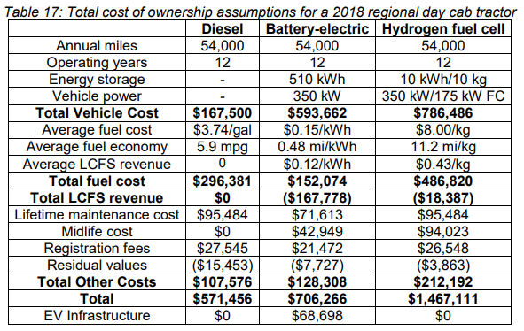
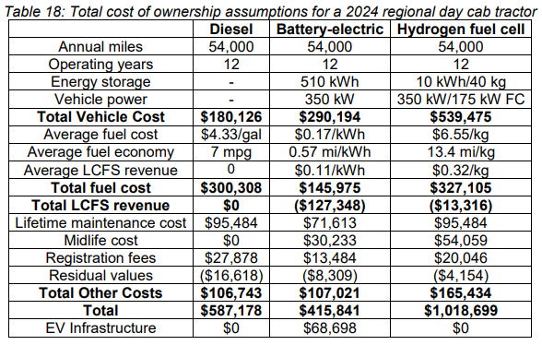
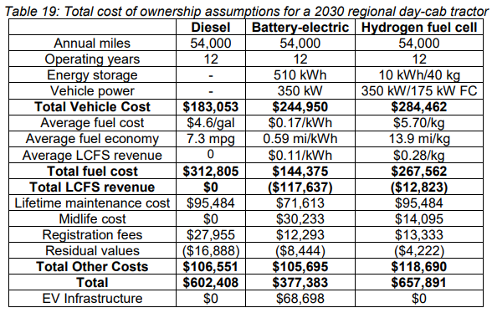
Class 4-5 | Diesel | 1.08E-04 | 1.12E-04 | mi/BTU
Class 4-5 | Battery-Electric | 3.81E-04 | 3.81E-04 | mi/BTU
Class 6-7 | Diesel | 7.50E-05 | 7.73E-05 | mi/BTU
Class 6-7 | Battery-Electric | 2.34E-04 | 2.34E-04 | mi/BTU
Class 8 | Diesel | 6.02E-05 | 6.33E-05 | mi/BTU
Class 8 | Battery-Electric | 1.76E-04 | 2.05E-04 | mi/BTU
Class 7-8 Tractor | Diesel | 6.88E-05 | 7.19E-05 | mi/BTU
Class 7-8 Tractor | Battery-Electric | 1.76E-04 | 1.76E-04 | mi/BTU
Class 7-8 Tractor | Fuel Cell Electric |  |  | mi/BTU

LDV Freight Sales Weighted Fuel Economy (mi/BTU)
 | Fuel Economy 2024-2026 MY | Fuel Economy 2027 MY and beyond
Gasoline | 9.48E-05 | 1.02E-04
Diesel | 1.57E-04 | 1.69E-04 |  |  |  |  | Hydrogen Fuel Cell Average Fuel Economy
Battery-Electric | 5.15E-04 | 5.37E-04 |  |  |  |  | 2018 | 2024 | 2030 | Year | 2018 | 2019 | 2020 | 2021 | 2022 | 2023 | 2024 | 2025 | 2026 | 2027 | 2028 | 2029 | 2030
 | 2024 | 2027 |  |  |  |  | 11.2 | 13.4 | 13.9 | mi/kg | 11.2 | 11.6 | 11.9 | 12.3 | 12.7 | 13.0 | 13.4 | 13.5 | 13.6 | 13.7 | 13.7 | 13.8 | 13.9
Pre-2024 Estimations (mi/BTU) |  |  |  |  |  |  |  |  |  | mi/BTU | 9.75E-05 | 1.01E-04 | 1.04E-04 | 1.07E-04 | 1.10E-04 | 1.13E-04 | 1.17E-04 | 1.17E-04 | 1.18E-04 | 1.19E-04 | 1.20E-04 | 1.20E-04 | 1.21E-04
HDV Freight | 2018 | 2019 | 2020 | 2021 | 2022 | 2023 |  |  |  | Improvement Multiplier |  | 103.3% | 103.2% | 103.1% | 103.0% | 102.9% | 102.8% | 100.6% | 100.6% | 100.6% | 100.6% | 100.6% | 100.6%
Diesel | 0.0000625 | 6.3541666667E-05 | 6.4583333333E-05 | 0.000065625 | 6.6666666667E-05 | 6.7708333333E-05
Battery-Electric | 1.76E-04 | 1.76E-04 | 1.76E-04 | 1.76E-04 | 1.76E-04 | 1.76E-04

LDV Freight | 2018 | 2019 | 2020 | 2021 | 2022 | 2023
Gasoline | 8.087E-05 | 8.319E-05 | 8.551E-05 | 8.783E-05 | 9.014E-05 | 9.246E-05
Diesel | 1.35E-04 | 1.39E-04 | 1.42E-04 | 1.46E-04 | 1.50E-04 | 1.54E-04
Battery Electric | 4.70E-04 | 4.78E-04 | 4.85E-04 | 4.92E-04 | 5.00E-04 | 5.07E-04

